Sheet1
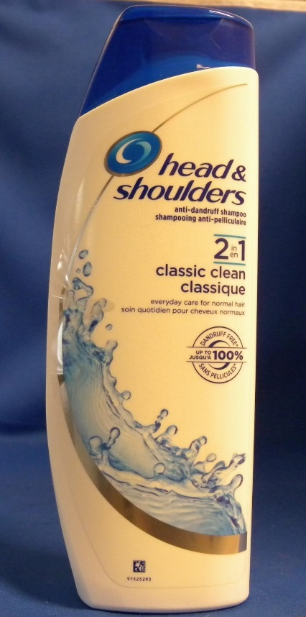
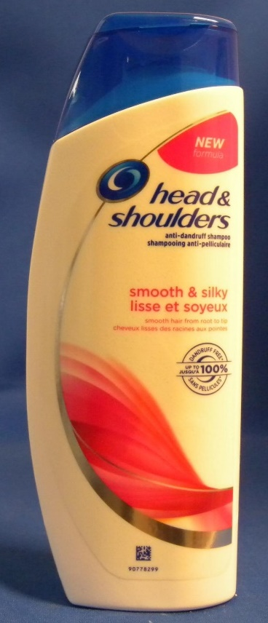
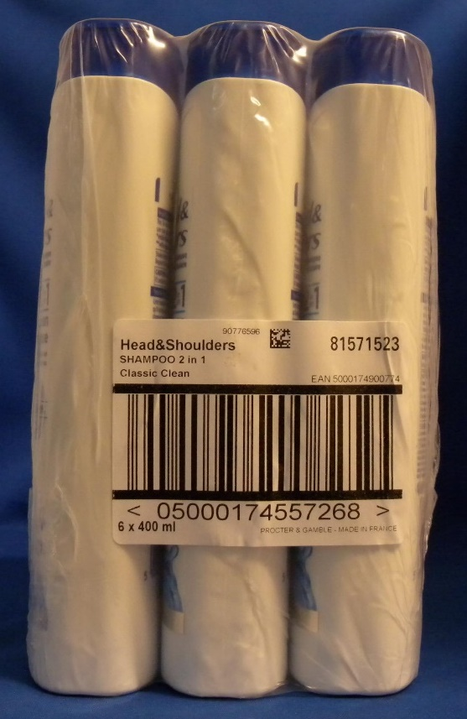
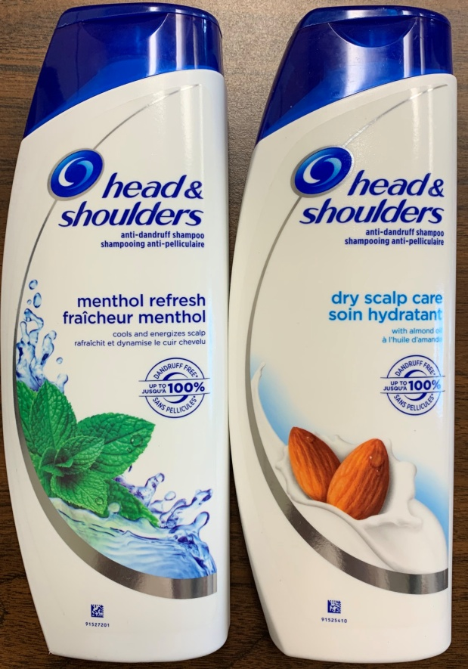
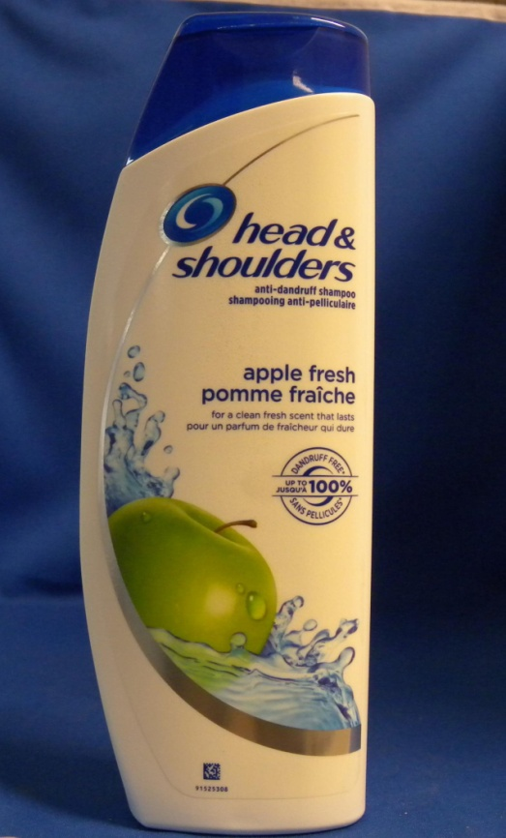
Head & Shoulders Shampoo

Size: 400ml

Case pack: 6

Retail: $13.75

Quantity: 10,320 units (1,720 cases)

Take All Price: $2.99 per unit Ex-Warehouse MD, USA
Call for less than take all price.
Subject to change and prior sale.

UPC | Description | # Cases | # Units
8001090911643 | HEAD & SHOULDERS SHAMPOO CITRUS 2 in 1 | 100 | 600
8001090911704 | HEAD & SHOULDERS SHAMPOO SMOOTH & SILKY 2 in 1 | 300 | 1,800
5000174900774 | HEAD & SHOULDERS SHAMPOO CLASSIC CLEAN 2 in 1 | 230 | 1,380
5000174990164 | HEAD & SHOULDERS CLASSIC CLEAN SHAMPOO | 200 | 1,200
5000174990201 | HEAD & SHOULDERS CITRUS SHAMPOO | 350 | 2,100
5000174990287 | HEAD & SHOULDERS MENTHOL SHAMPOO | 120 | 720
5410076659609 | HEAD & SHOULDERS GREEN APPLE SHAMPOO | 420 | 2,520
 |  | 1,720 | 10,320

